Noise

Site: Galong
Environment Protection Licence number: 4660 |  |  |  | (click here to link to full licence)
Licensee's name: GRAYMONT (NSW) PTY LTD
Licensee's address: Eubindal Road, Galong NSW 2585

Monitoring point details
EPA ID number | Location | Pollutant | Units^ | Monitoring frequency | Pollutant limits
Most affected noise sensitive location | 255 Eubindal Road, Galong | Noise - Day LAeq(15minute) | dB(A) | - | 35
 |  | Noise - Evening LAeq(15minute) | dB(A) | - | 35
 |  | Noise - Night LAeq(15minute) | dB(A) | - | 35
 |  | Noise - Night LA1(1minute) | dB(A) | - | 45
^ Day is 7am to 6pm Monday to Saturday and 8am to 6pm Sundays and Public Holidays; Evening is 6pm to 10pm; Night is 10pm to 7am Monday to Saturday and 10pm to 8am Sundays and Public Holidays

Monitoring data
Month | Location | Pollutant | Result | Date sampled | Date obtained | Date published | Compliance | Explanatory notes
Oct-24 | 255 Eubindal Road, Galong | Noise - Day LAeq(15minute) | 28 | 2024-10-10 | 2024-10-23 | 2024-10-29 | Yes | Daytime Laeq(15minute) result was 44 dB, however due to interference from noise not arising from the Graymont plant, the LAF90 noise level was used (consistent with the EPA Noise Policy for Industry, 2017).
 |  | Noise - Evening LAeq(15minute) | 35 | 2024-10-09 | 2024-10-23 | 2024-10-29 | Yes
 |  | Noise - Night LAeq(15minute) | 35 | 2024-10-09 | 2024-10-23 | 2024-10-29 | Yes
 |  | Noise - Night LA1(1minute) | 40 | 2024-10-09 | 2024-10-23 | 2024-10-29 | Yes

Dust deposition gauge locations
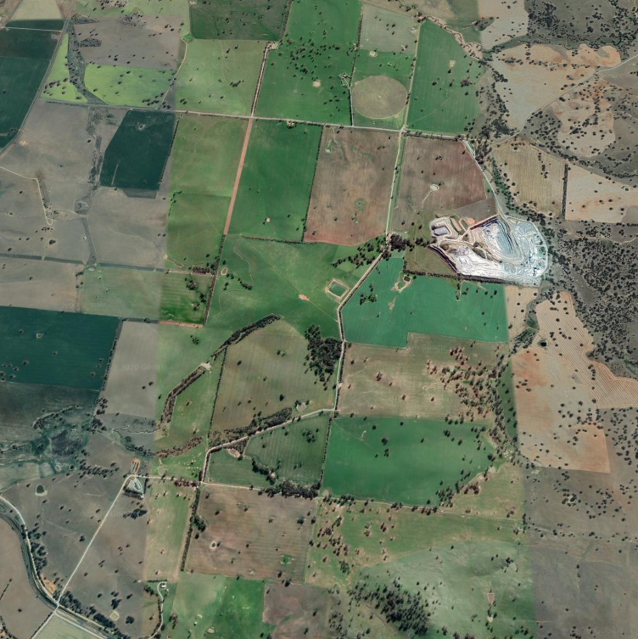

EPA ID No.4 Next to House

EPA ID No.3 Top of Bund

EPA ID No.5 Along Road

EPA ID No.6 Galong

Legend: | EPA ID | 3 | DG1 | Top of Bund
 | EPA ID | 4 | DG2 | Next to House
 | EPA ID | 5 | DG3 | Along Road
 | EPA ID | 6 | DG4 | Galong

Air Emission Monitoring
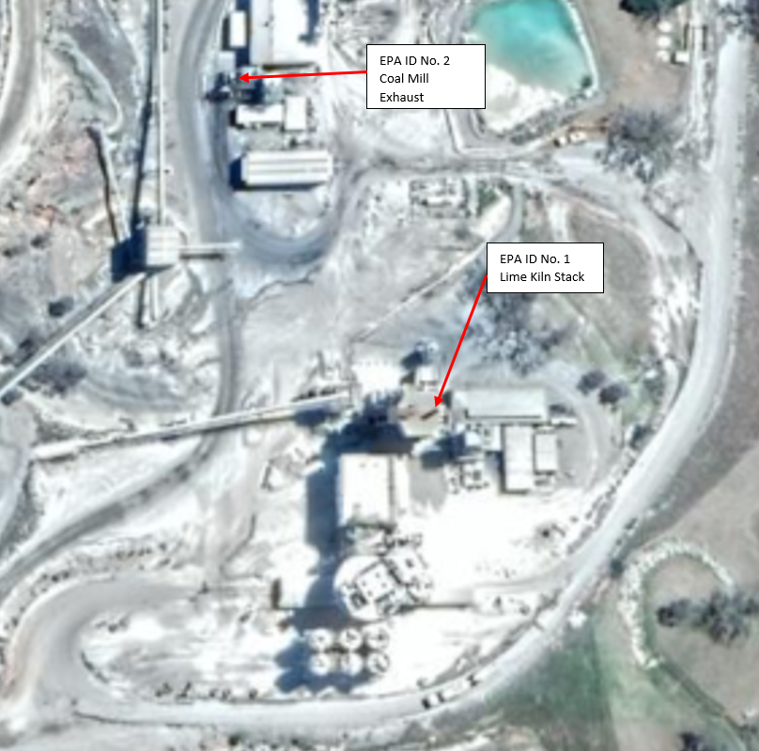

Legend: | EPA ID | 1 | Lime Kiln Stack
 | EPA ID | 2 | Coal Mill Exhaust

